Sheet1
 |  | PCP LANDSCAPES

 |  | WATER FEATURES

 | Contact - Premkumar- 9840067790 Email - pcplandscapes@gmail.com
Sl No | IMAGE | CODE | MEASUREMENT
1
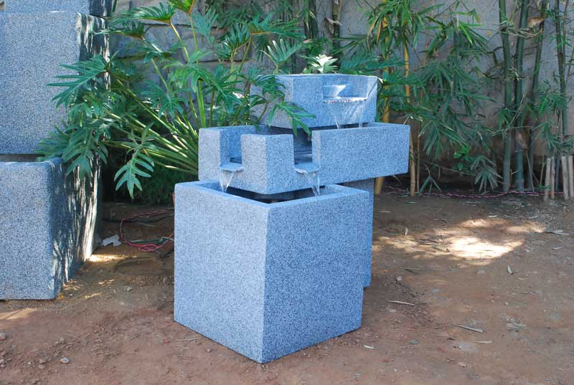
 |  | Fwa 12 | 27"H,30"L,20"W

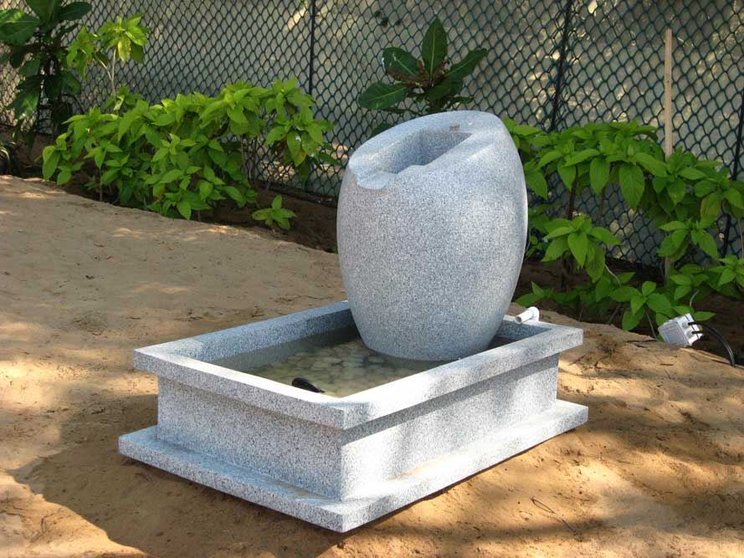
2
 |  | Fwa 14 | JAR 36”H
 |  |  | Tank 12”H, 30“L, 24“W

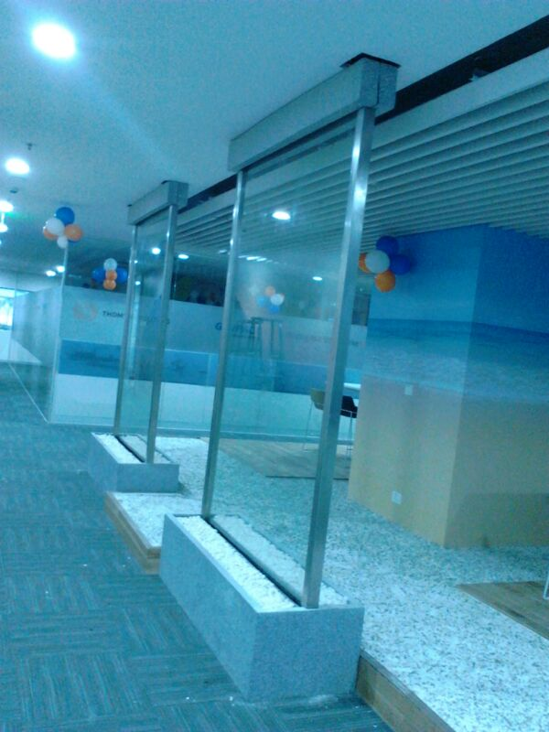
3
 |  | Fwa 18 | 78"H,30"W

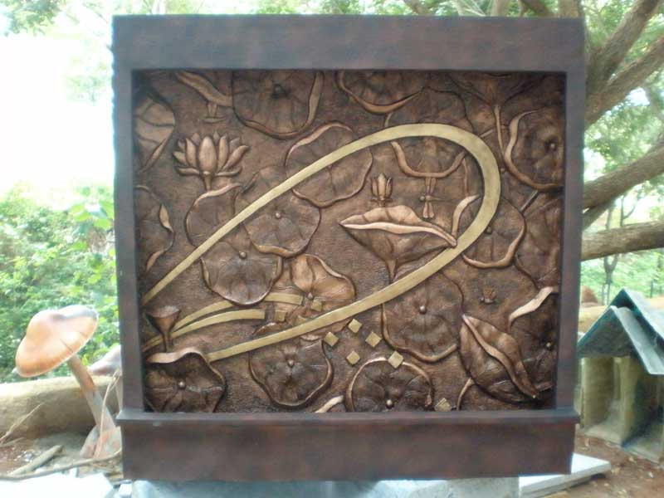
4
 |  | Fwa 6 | Mural 58”H, 48“L, 2“W
 |  |  | Tank 10”H, 48”L, 10“W

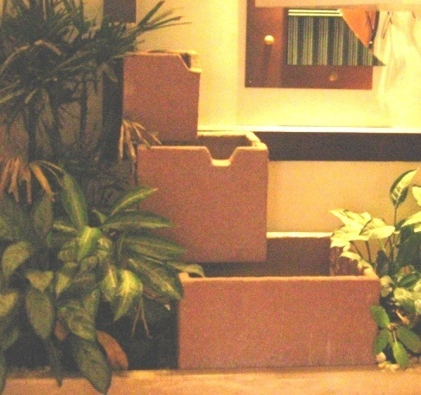
5
 |  | Fwa 11 | 48"H,30"L,30"W

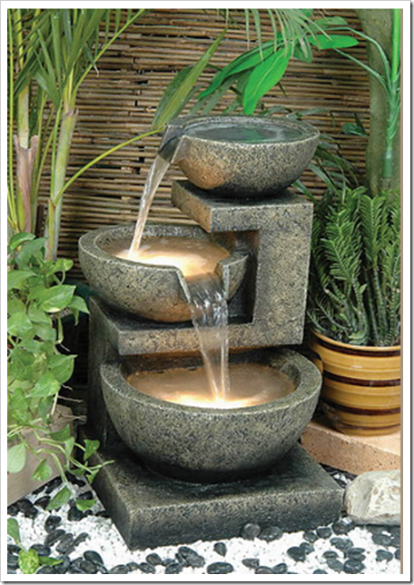
6
 |  | New | 40" H,36"L,30"W Approx

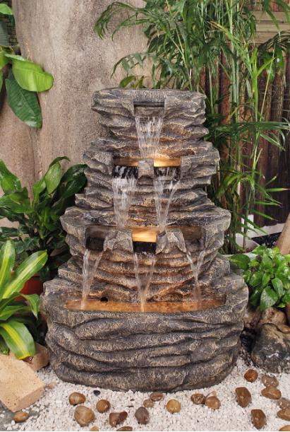
7

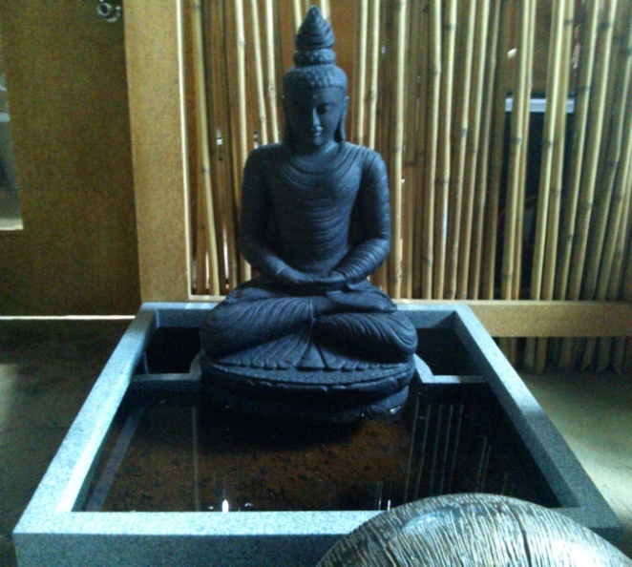
8
 |  | New

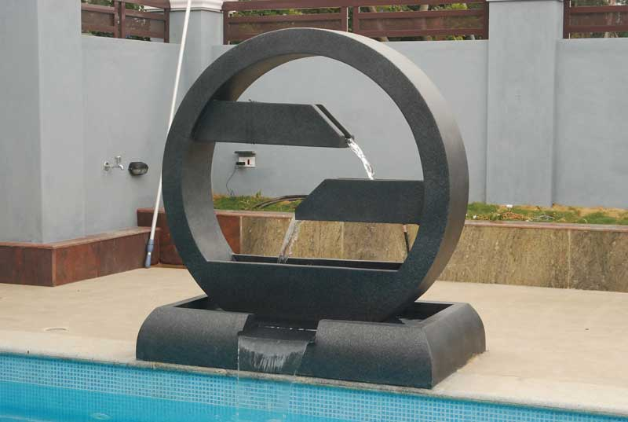
9

 |  | Fwa 1 | RING 60”DIA, 12”THICKNESS
 |  |  | TANK 12”H, 60”L, 36”W

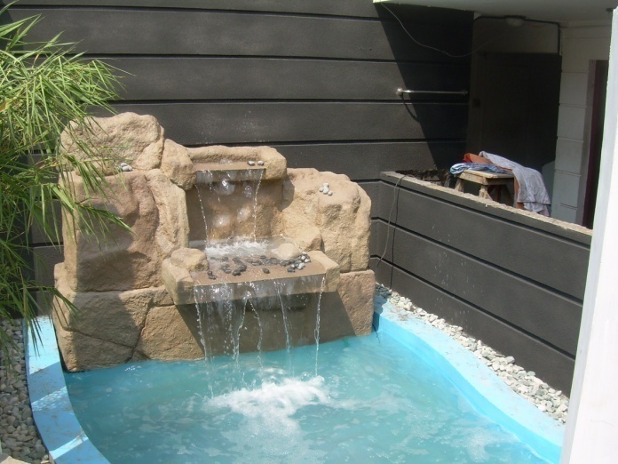
10
 |  | fwa19 | 66" ht,96" length,48" dept

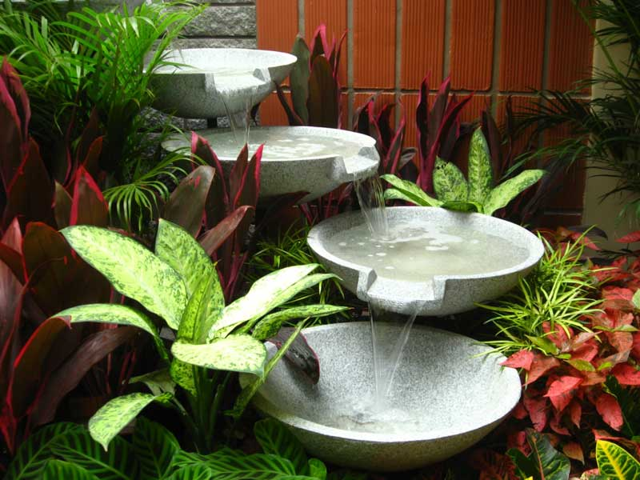
11
 |  | fwa10 | Tank 48"l,48"b,12" ht
 |  |  | Hoorly 24" dia

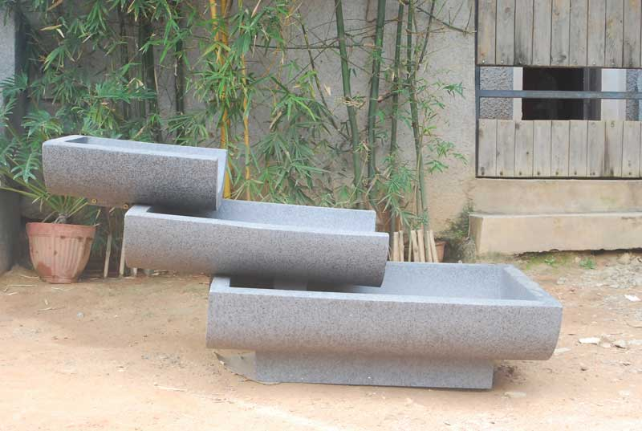
12
 |  | fwa11 | Tank 48"l,48"b,12" ht
 |  |  | Hoorly 24" dia

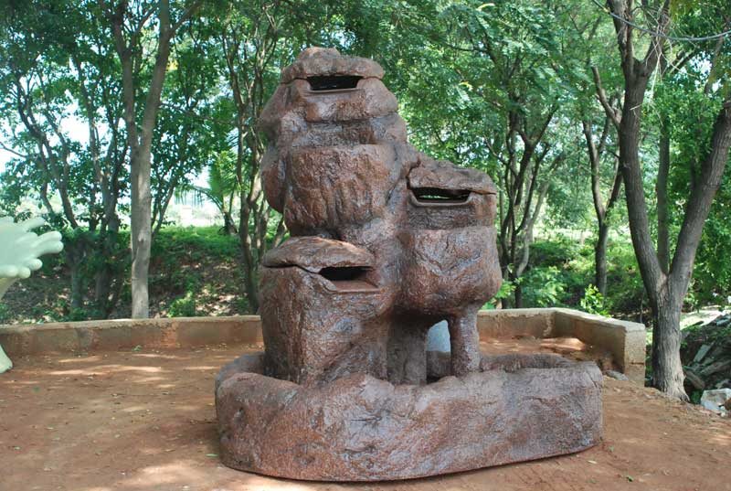
13
 |  | fwa12 | Tank 48"l,48"b,12" ht
 |  |  | Hoorly 24" dia

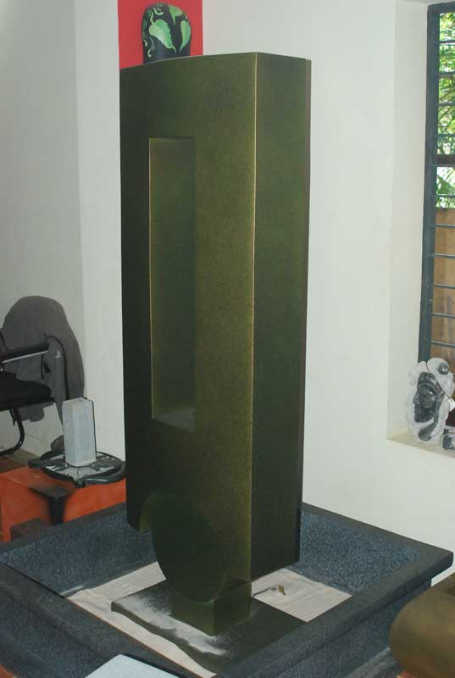
14
 |  | fwa13 | Tank 48"l,48"b,12" ht
 |  |  | Hoorly 24" dia

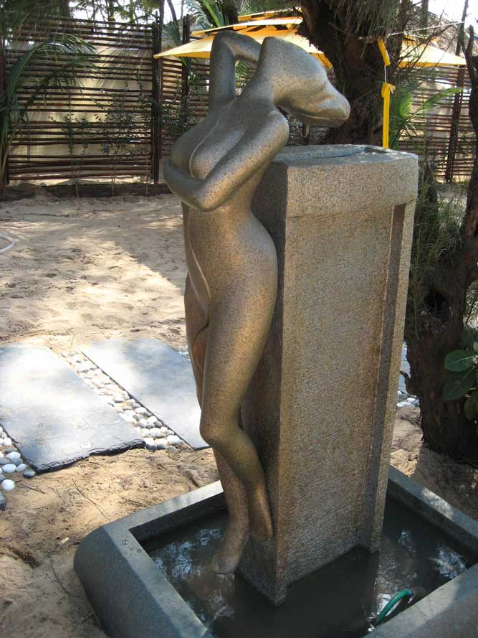
15
 |  | fwa14 | Tank 48"l,48"b,12" ht
 |  |  | Hoorly 24" dia

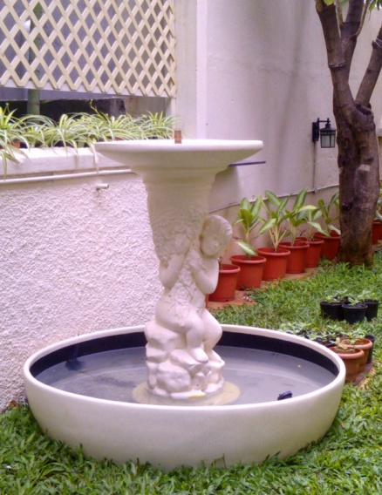
16

 |  | New - Bird Bath | Approx - 4' H

17 | 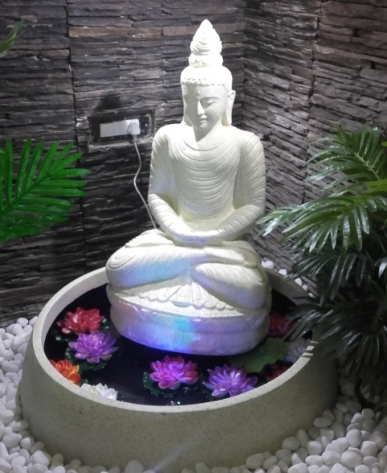 | New - Buddha | 3' Dia tank Fountain height - 4'

 | Thanking You,
 | For PCP Landscapes,
 | P.Premkumar,
 | Director.
 |  |  | Plot No: 115, “Metro Appartments”, Vanagaram Main Road, MetroNagar,
 |  |  | Alappakkam, Porur,, Chennai-116.. PH: 9840067790 / 044-24764565.
 |  |  | email: pcplandscapes@yahoo.co.in/ web:www.pcplandscapes.in

